Sheet2
Total Employees :

Sheet1
Sum of Total Lower Sales
 | Sum of Lower Salary
Boston, MA | 66
Indianapolis, IN | 74
Landover, MD | 79
New York, NY | 63
Grand Total | 282

 | Total
MITRE 3.2 | 3801
AstraZeneca 3.9 | 3380
PNNL 3.8 | 3087
Novartis 3.8 | 3022
Liberty Mutual Insurance 3.3 | 2961
Numeric, LLC 3.2 | 2337
TransUnion 3.9 | 1715
Esri 3.5 | 1705
TRANZACT 3.6 | 1699
Northrop Grumman 3.7 | 1687
 | Total
Sum of tensor | 2
Sum of tableau | 11
Sum of sql | 81
Sum of spark | 62
Sum of scikit | 0
Sum of sas | 1
Sum of pytorch | 0
Sum of Python | 68
Sum of mongo | 13
Sum of keras | 0
Sum of hadoop | 46
Sum of google_an | 0
Sum of flink | 5
Sum of excel | 49
Sum of bi | 3
Sum of aws | 54
 | Total
data scientist | 43%
other scientist | 19%
data engineer | 16%
analyst | 14%
machine learning engineer | 3%
Data scientist project manager | 2%
na | 1%
data analitics | 1%
director | 1%
data modeler | 1%

 | Total
Information Technology | 78
Business Services | 44
Biotech & Pharmaceuticals | 36
Insurance | 32
Finance | 22
Aerospace & Defense | 14
Oil, Gas, Energy & Utilities | 12
Government | 8
Education | 8
Health Care | 7
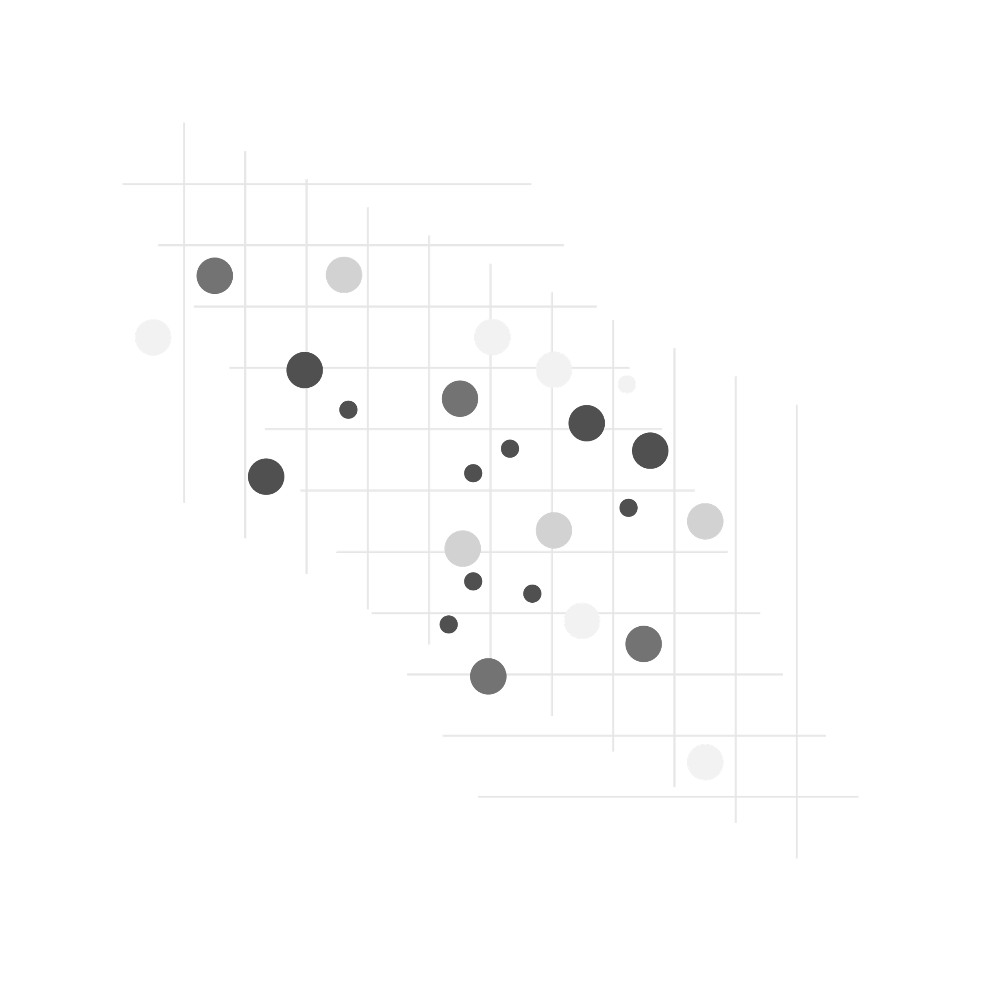

 | Total
Data Scientist | 41258
Data Engineer | 23264
Senior Data Scientist | 14876
Senior Data Engineer | 7008
Senior Data Analyst | 5163
Data Analyst | 4639
Principal Data Scientist | 3807
Sr. Data Engineer | 3585
Machine Learning Engineer | 3208
Marketing Data Analyst | 3146
Lead Data Scientist | 2614
Data Science Manager | 2447
Staff Scientist-Downstream Process Development | 2307
Food Scientist - Developer | 2276
Analytics Manager - Data Mart | 2247
Senior Research Scientist-Machine Learning | 2192
R&D Specialist/ Food Scientist | 2160
Medical Laboratory Scientist | 2153
Project Scientist - Auton Lab, Robotics Institute | 2134
Research Scientist, Immunology - Cancer Biology | 2118
IT - Data Engineer II | 2117
Sr. Scientist Method Development | 2110
Associate Scientist, LC/MS Biologics | 2108
Revenue Analytics Manager | 2106
Scientist - Biomarker and Flow Cytometry | 2102
Senior Scientist - Regulatory Submissions | 2099
ENVIRONMENTAL ENGINEER/SCIENTIST | 2094
Senior Data Science Systems Engineer | 2090
Senior Insurance Data Scientist | 2087
Scientist - Analytical Services | 2067
Scientist, Molecular/Cellular Biologist | 2053
Senior Data Scientist - R&D Oncology | 2015
Sr. Data Engineer - Contract-to-Hire (Java) | 2011
Clinical Data Analyst | 2004
Clinical Laboratory Scientist | 1964
Associate Director, Platform and DevOps- Data Engineering and Aritifical Intelligence | 1943
Scientist, Bacteriology | 1937
Machine Learning Engineer - Regulatory | 1909
Senior Scientist (Neuroscience) | 1901
Consultant - Analytics Consulting | 1863
Sr Scientist, Immuno-Oncology - Oncology | 1657
Principal, Data Science - Advanced Analytics | 1654
Data Science Project Manager | 1653
Sr. Data Analyst | 1628
Business Data Analyst | 1623
IT Associate Data Analyst | 1619
Sr Expert Data Science, Advanced Visual Analytics (Associate level) | 1594
Director II, Data Science - GRM Actuarial | 1588
Data Science Engineer - Mobile | 1563
Lead Data Analyst | 1560
...

